Instructions & Feedback
Sl No | Instruction | Feedback
1 | List at least 5 (five) data points that are required for the analysis and detection of a credit card fraud. (3 marks) | Five data points that are required for the credit card fraud detection analysis are 1. Detail information of a credit card holder 2. transaction details of that credit card 3. delivery details of the items ordered 4. location of the items ordered 5. IP addresses from which the orders were placed
2 | Identify 3 (three) errors/issues that could impact the accuracy of your findings. | Three errors/issues that could impact the accuracy of the findings are 1. Disparate date formats: dates should be maintained in the same format. 2. Missing IP Address: Missing critical information, for example, blank IP address, can impact the accuracy level. 3. Missing Transaction Value: Missing transaction value for a purchased item can impact the accuracy.
3 | Identify 2 (two) anomalies or unexpected behaviors, that would lead you to believe the transaction may be suspect. | Two anomalies or unexpected behaviors that would lead towards a fradulant transactions are: 1. For the user ID johnp, some Electronics items were ordered in bulk quality. Also, the shipping address was In-store instead of usual address. 2. For the user ID johnp, some Tools items were ordered in bulk quality. Also, the shipping address was In-store instead of usual address.
4 | Identify the type of analysis that you are performing when you are analyzing historical credit card data to understand what a fraudulent transaction looks like. | I have used the Diagnostic analysis to understand what a fradulant
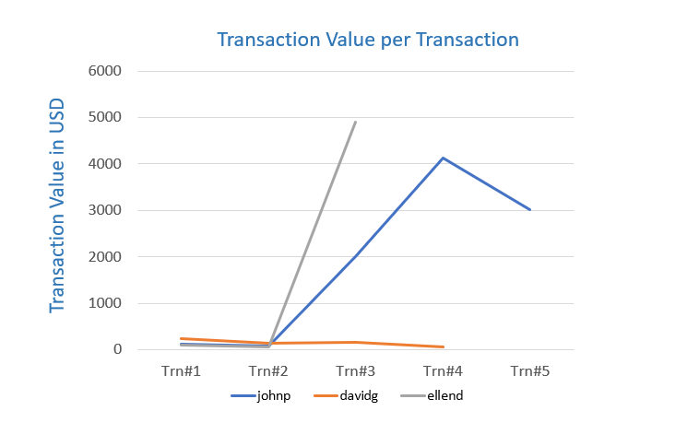
5 | Briefly explain your key take-away from the provided data visualization chart.

